Sheet1
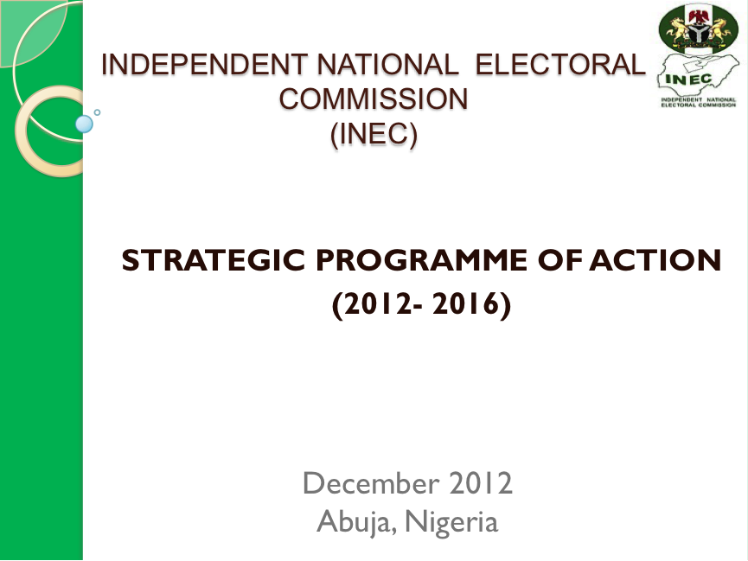

 |  |  |  | INDEPENDENT NATIONAL ELECTORAL COMMISSION
 |  |  |  | STRATEGIC PROGRAMME OF ACTION FOR 2012 - 2016

Objective One: To provide electoral operations, systems and infrastructure to support delivery of free, fair and credible elections
S/N | OBJECTIVES | ACTIVITIES | INDICATORS | TIME FRAME |  |  |  | IMPLEMENTING DEPT(S)
 |  |  |  | 2013 | 2014 | 2015 | 2016 | LEAD | COLLABORATING
1.1 | Ensure a good constitutional and legal framework for the conduct of free, fair and credible elections | Articulation of areas of amendment to the Constitution / Electoral Act on Political Parties | Proposed areas of amendment completed by Q4 2012 | Q1-Q4 | n.a | n.a | n.a | LS | EPM,EOPS
 |  | Undertake necessary legal reforms to allow deployment of modern equipment (including EVMs) in elections | Draft amendment to the Electoral Act ready by Q2, 2014 | Q1-Q4 | Q1-Q4 | n.a | n.a | LS | ICT,EOPS
 |  | Policies to allow Out of Country Voting (OCV) and marginalised groups | Proposed areas of Constitutional and Electoral Act amendments completed by Q2 2013 | Q1-Q4 | n.a | n.a | n.a | LS | EOPS
1.2 | Ensure that there is a comprehensive Register of Voters that is accurate and regularly updated | Selection and purging of DDC machines for Continuous Voter Registration exercise | Staff for purging exercise deployed by Q1 2013, 2014,2015 & 2016 | Q1 | Q1 | n.a | Q1 | ICT | VR, State Offices
 |  | Identification & procurement of materials for CVR (Deployment of men & materials inclusive) at designated centres | Approval for acquisition secured by Q1 2013, 2014 & 2016, men & materials deployed along | Q1-Q4 | Q1-4 | n.a | Q1-4 | EOPS | Proc, VR,ICT, and State Offices
 |  | Technical training of personnel for nation wide Continuos Voter Registration exercise | Approval for training programme secured by Q1 2013, 2014 & 2016 | Q1-Q4 | Q1-Q4 | Q3-Q4 | Q1-Q4 | VR | ICT,TEI, EOPS
 |  | Operationalisation of call centre for the Continuous Voter Registration exercise | Consultant hired by Feb. 2013 | Q1-Q4 | Q1-Q4 | Q3-Q4 | Q1-Q4 | I CT | VR
 |  | Training of selected monitors from the headquarters on monitoring techniques | Selected monitors/Desk officers trained by Q1 each year | Q1 | Q1 | Q1 | Q1 | EPM | PM, Development Partners/ TEI
 |  | Supervision of the CVR exercise | Approval for supervision secured by Q1 2013, 2014, Q4 2015 & Q1 2016 | Q1-Q4 | Q1-Q4 | Q3-Q4 | Q1-Q4 | VR | EOPS, PM, and ICT
 |  | Compliance monitoring of (CVR) exercise | Approval secured & monitors deployed upon commencement of the exercise | Q1-Q4 | Q1-Q4 | Q3-Q4 | Q1-Q4 | PM | VR, ICT, EOPS, VPGCL
 |  | Display of register of voters at the PUs | Approval secured by Q1 2014, 2015 & 2016 | Q1 | Q1 | Q1 | Q1 | EOPS | ICT, VR,VE, and VPGCL and State Offices
 |  | Supervision of Claims and Objections process | Approval secured by Q1 each year | Q1 | Q1 | Q1 | Q1 | VR | PM,ICT, EOPS, State Offices
 |  | Compliance monitoring of Claims and Objections | Approval secured by Q1 each year | Q1 | Q1 | Q1 | Q1 | PM | VR, State Offices
 |  | Operations security for CVR exercise | Approval secured by Q1 each year | Q1 | Q1 | Q1 | Q1 | EOPS | VR,ICT and State Offices
 |  | Updating of ERV Database | Approval secured by Q4 each year | Q4 | Q4 | Q4 | Q4 | ICT | VR
 |  | Provision of Disaster Recovery plan and systems for data | Consultant hired by Feb. 2013 each year | Q1 | Q1 | Q1 | Q1 | ICT | VR
 |  | Consolidation and integration of the CVR data into the National Register of Voters | Staff deployed to States for the consolidation of CVR data by Q1 each year | Q1 | Q1 | Q1 | Q1 | ICT | VR, State Offices
 |  | Prinitng of register of voters for elections | Award of contract for consumables completed by Q2 each year | Q4 | Q4 | Q4 | Q4 | VR | Proc, LS
 |  | Printing of Register of Voters into hard drives for Political Parties as mandated by the Electoral Act 2010 (as Amended) | Contract awarded for consumables by Q1 each year | Q1 | Q1 | Q1 | Q1 | VR | ICT
 |  | Printing and distribution of Permanent Voters Cards | Approval secured by Q1 each year | Q1-Q4 | Q1-Q4 | Q1-Q4 | Q1-Q4 | ICT | VR and State Offices
 |  | Acquire EVM for pilot scheme | Approval secured by Q1 2014 | Q1-Q2 | n.a | n.a | n.a | ICT | EOPS, VR and Proc
 |  | Compliance monitoring of Printing of PVCs, data consolidation & functionality of ICT platform | Approval secured & monitors deployed upon commencement of the activity | Q1- Q4 | Q1-Q4 | Q1- Q4 | Q1-Q4 | PM | ICT/VR
 |  | Harmonization of Register of Voters with NIMC database | Approval secured by Q4 2015& 2016 | Q4 | Q4 | Q4 | Q4 | ICT | VR
1.3 | Improve ICT deployment and utilisation | Integration of GIS with the Register of Voters | Engagement of contractor by Q1 2013 | Q1-Q2 | n.a | n.a | n.a | VR | EOPS, ICT, LS and State Offices
 |  | Implementation and support of web based voter register verification system | Engagement of contractor by Feb. each year | Q1 | Q1 | Q1 | Q1 | VR | ICT
 |  | Development of e-library | Approval obtained by Q1 2013 | Q1-Q2 | n.a | n.a | n.a | TEI | ICT
 |  | Disaggregation of data by sex in all Commission Electoral Activities e.g. Register of Voters, election results etc. | Template for data disaggregation ready by Q1 each year | Q1-4 | Q1-4 | Q1-4 | Q1-4 | VR | VPGCL, ICT, LGA Offices and TEI
 |  | Maintenance of Office Equipment | Approval secured by Q1 each year | Q1-Q4 | Q1-Q4 | Q1-Q4 | Q1-Q4 | Proc | HRM, ICT,VR and State Offices
 |  | Integration of INEC Website with voters registry and other INEC database | Contract awarded by Q1 each year | Q1-Q4 | Q1-Q4 | Q1-Q4 | Q1-Q4 | ICT | VR,VPGCL,EOPS
 |  | Expansion of INEC mail system to States and upgrade of existing mail server | Contract awarded by Q1 each year | Q1-Q4 | Q1-Q4 | Q1-Q4 | Q1-Q4 | ICT | VPGCL,State Offices
 |  | 3M based file tracking system website | Award of contract by Q1 each year | Q1-Q4 | Q1-Q4 | Q1-Q4 | Q1-Q4 | ICT | VPGCL
 |  | Provision and upgrade of internet bandwidth service for the Web Unit | Award of contract by Q1 each year | Q1-Q4 | Q1-Q4 | Q1-Q4 | Q1-Q4 | ICT | VPGCL
 |  | Provision of external back-up for security of the website | Award of contract by Q1 each year | Q1-Q4 | Q1-Q4 | Q1-Q4 | Q1-Q4 | ICT | VPGCL
 |  | Procurement of Card Reader for verification and authentication of Voters | Contract awarded by Q2 2013 | Q4 | Q1, Q4 | Q1 | n.a | ICT | EOPS,Proc
 |  | Computerization of staff records and the Commission Registry | Engagement of ICT vendors by March, 2014 | n.a | Q1-Q4 | n.a | n.a | HRM | ICT
 |  | Implementation of system application standards in INEC Offices Nationwide | Award of contract for software by Q2 2013 | Q2- Q4 | Q2- Q4 | Q2- Q4 | Q2- Q4 | ICT | All Departments, State Offices
 |  | Implementation of Document Management System | Approval secured by Q1 2013, 2014 | Q1- Q4 | Q1- Q4 | n.a | n.a | ICT | All Departments, State Offices
 |  | Design of e-election collation System | Approval secured by Q1 2013, 2014 | Q1- Q4 | Q1- Q4 | n.a | n.a | ICT | All Departments, State Offices
 |  | Business Process System | Approval secured by Q1 2013, 2014 | Q1- Q4 | Q1- Q4 | n.a | n.a | ICT | All Departments, State Offices
 |  | Fleet Management System | Approval secured by Q1 2013, 2014 | Q1- Q4 | Q1- Q4 | n.a | n.a | ICT | All Departments, State Offices
 |  | Improvement of communication links between the Commission Hqtrs, States and LGAs for better result transmission during elections | Contract awarded by Q1 2013 | Q1-Q4 | Q1-Q4 | n.a | n.a | ICT | EOPS,Proc
 |  | Extension of terrestrial network bandwidth to the LGAs & RAs | Contract awarded by Q2 2013 | Q3-Q4 | Q1- Q4 | Q1- Q4 | Q1- Q4 | ICT | Proc
...

